Overview
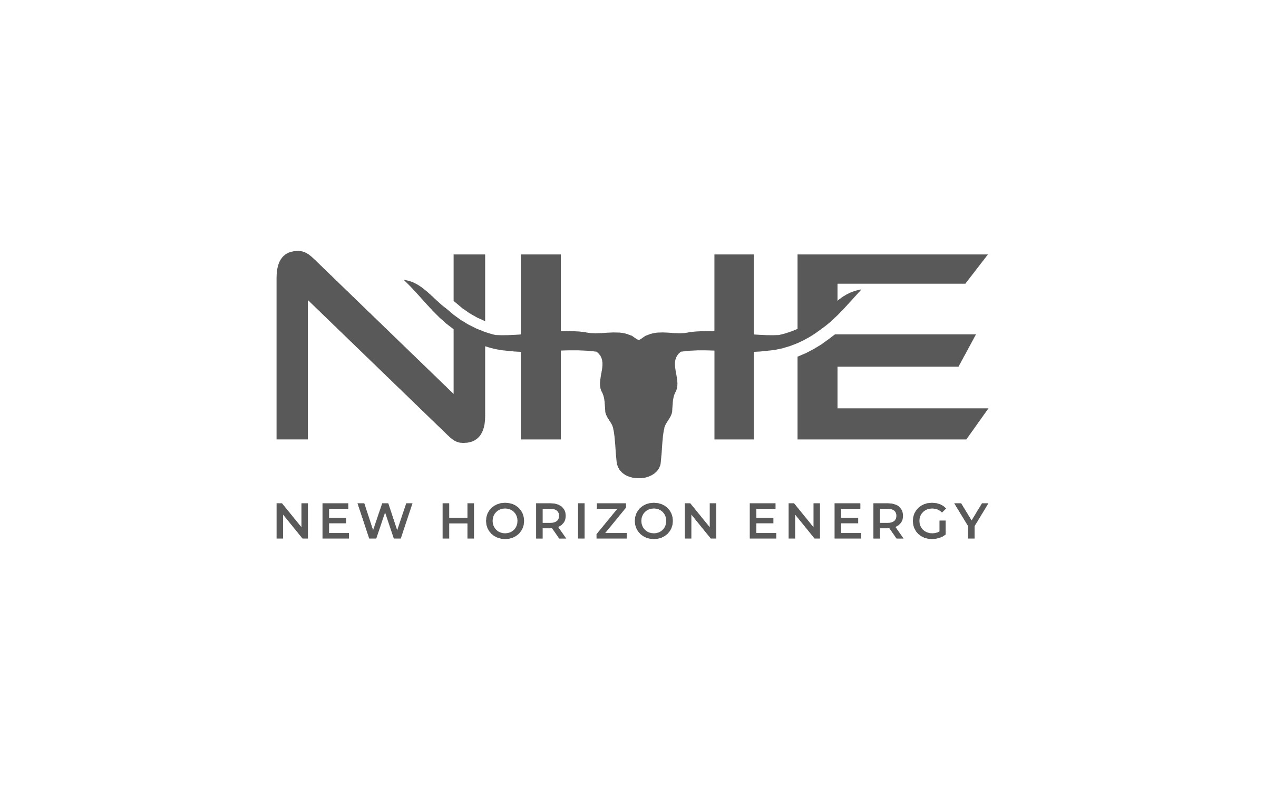

 |  |  | Prospect Name/Number: |  |  |  |  |  | 26-005

 |  | Section |  |  |  | 27 |  | Township |  | 11N |  |  |  | Range | 25W

 |  |  | County |  |  | Beckham |  |  |  |  |  | State | Oklahoma

 | Containing 640.00 acres, more or less

 | ATTACHMENTS: |  |  |  |  |  | OWNERSHIP REPORT DATED: |  |  |  |  |  |  | LAST ENTRY:

 |  |  |  |  |  |  | TITLE OPINION UPDATE DATED: |  |  |  |  |  |  | LAST ENTRY:

 |  |  |  |  | x |  | CURSORY REPORT DATED: |  |  |  | 6/3/26 |  |  | LAST ENTRY: | 2486/716

 |  |  |  |  |  |  | COUNTY CERTIFICATION DATE:

 | REMARKS:
 | REPORT IS LIMITED TO THE Cherokee formation.
 | Leasehold cursory covering the apparent interest of Diversified Production, LLC (Diversified). Cursory only; not a title opinion. See QA Summary tab.

 | EXAMINER: |  |  | RG

